Dashboard
 | Category | Type- User
 | Desktop | Desktop | Tablet | Tablet | Grand Total
Types | Guest Checkout step visits | Registered Checkout step visits | Guest Checkout step visits | Registered Checkout step visits
Average of Login page | 4692.51 | 12410.00 | 2933.54 | 12044.79 | 8020.21
Average of Delivery page | 4330.93 | 13885.07 | 2643.36 | 11604.96 | 8116.08
Average of Payment page | 3779.11 | 14375.65 | 2238.11 | 11408.82 | 7950.42
Average of Order complete | 3293.67 | 17921.45 | 1885.50 | 14127.53 | 9307.04
Average of Order review | 3401.25 | 13504.57 | 1934.09 | 10160.32 | 7250.06
Average of Desk-Tab
 | Desktop | Tablet
Login Page- Avg | 8551.2520548 | 7489.1643836
Delivery page | 9108.0027397 | 7124.160274
Payment page | 9077.3794521 | 6823.4643836
Order review | 8452.9109589 | 6047.2082192
Order complete | 10607.557534 | 8006.5178082
Trend Line of Desk - Tab
 | Desktop | Tablet
Login Page- Avg | 8551.2520548 | 7489.1643836
Delivery page | 9108.0027397 | 7124.160274
Payment page | 9077.3794521 | 6823.4643836
Order review | 8452.9109589 | 6047.2082192
Order complete | 10607.557534 | 8006.5178082
Distribution
 | Sum of Login Page- Avg | Sum of Delivery page | Sum of Payment page | Sum of Order review | Sum of Order complete
Min | 0 | 0 | 0 | 0 | 0
25% Quartile | 3600.25 | 3239.5 | 2692.75 | 2340.75 | 2261
50% Quartile | 7371.5 | 7183 | 7067.5 | 6354 | 7918
75% quartile | 10876.5 | 10793.5 | 10755.25 | 9841 | 13282
Max | 54537 | 74775 | 73282 | 68048 | 80953
Acording to pie chart we can see that total completed order as compare to tablet, increased by 57%
Conclusion :- 57% of the total visitors have been completed they order through tablet

Order completed
Desktop | 10607.557534
Tablet | 8006.5178082

Acording to bar graph we can see that average of total no. of user who are using dasktop and Tablet.
most of the time user visiting to the Application through dasktop.
Acording to Line graph we can see that with trend line with the help of abov trend we can see that using dasktop or teblet.
which one os higher trand when they buying product on desktop or tablet.
According to the above graph we can see distribution of the data through Quartile 25%,50%,75% or maximum and minimum.

Compare with Guest and Registered user
 | Guest Checkout step visits | Registered Checkout step visits
Desktop | 1712765 | 4529649
Tablet | 1070743 | 4396347
visiters
 | Desktop | Tablet | Desktop | Tablet
Login Page- Avg | 1712765 | 1070743 | 4529649 | 4396347
Delivery page | 1580791 | 964827 | 5068051 | 4235810
Payment page | 1379374 | 816910 | 5247113 | 4164219
Order review | 1241457 | 705944 | 4929168 | 3708518
Order complete | 1202188 | 688209 | 6541329 | 5156549

According to the this graph we can see that how many user have visited on website through desktop or tablet.
green line we can see that most registored user using Tablet for buying product.
blue line we can see that most registored user using desktop for buying product.

Context
 | Task:
1 | Using the data provided in the next sheet perform an analysis to understand any major issues which may be affecting user experience.
2 | Present your findings in the form of a Power Point deck.
3 | Please feel free to make any assumptions necessary and call these out.

 | Context:
1 | The business being analyzed is an ecommerce website where users can browse products and buy them online after registering on the site.
2 | Recently, a "Guest Checkout" feature has been introduced which allows users to buy products without registering.
3 | The web site is set up as 2 separate experiences for Desktop and Tablet devices.
4 | Data has been provided for 12 months, including the first 4 month period before "Guest Checkout" was introduced.

 | Objective:
1 | To understand the impact of this change on KPIs for the site.
2 | Identify any issues which may be hampering the user journey.
3 | Analyze how this change has affected users across different device types
4 | Call out any other areas which may be analyzed further to get a clearer understand

 | Journey details:
1 | The checkout flow comprises of following steps:
 |  | Login Page
 |  | Details page
 |  | Payment page
 |  | Order review page
 |  | Order confirm page
2 | The journey is same for Guest and Registered users (except Guest users just skip the login proccess).
3 | This experience is identically provided on Desktop and Tablet sites.
4 | The screenshots below demonstrate how some of the pages of the Checkout flow look like.

 | LOGIN PAGE

 | DELIVERY PAGE
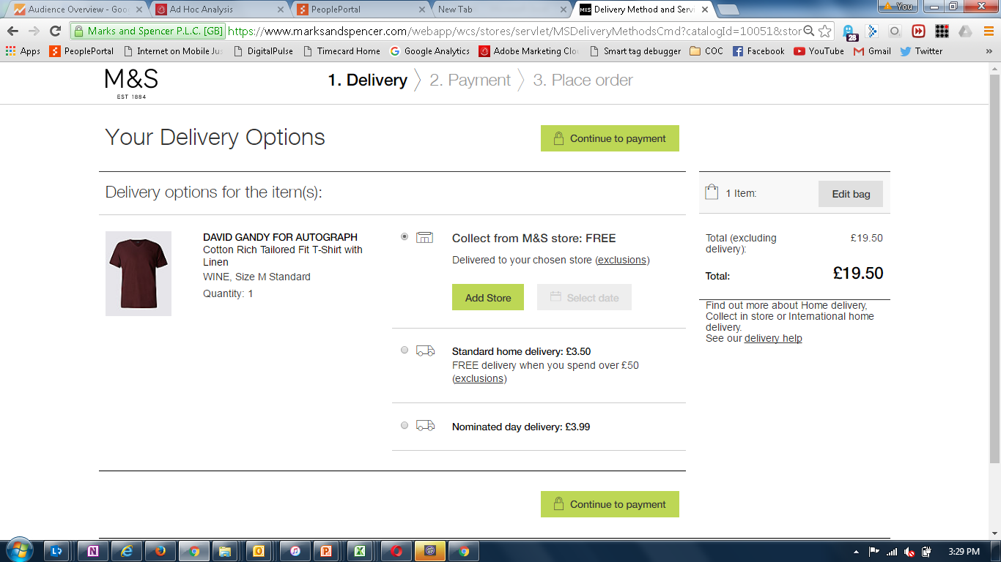

 | PAYMENT PAGE
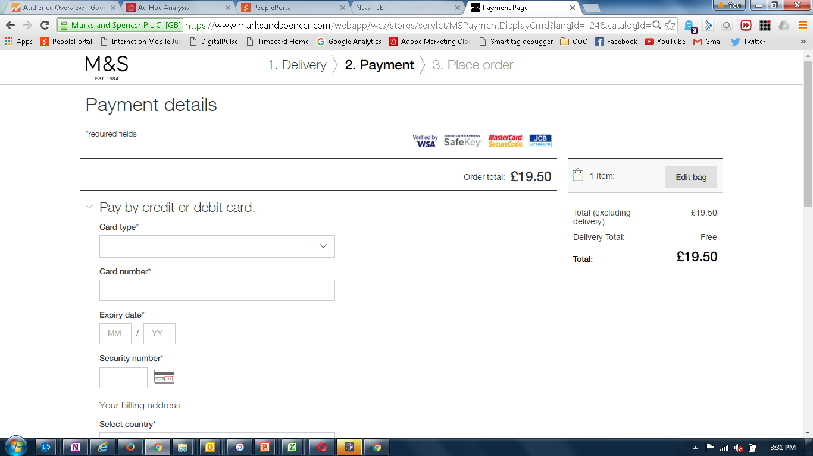

 | (screen shots not available for steps 4 and 5)

